OFFER - FULL SIZE RUNS
TOMS Alpargata Classic
ATS Stock Offer - complete size runs, no gaps

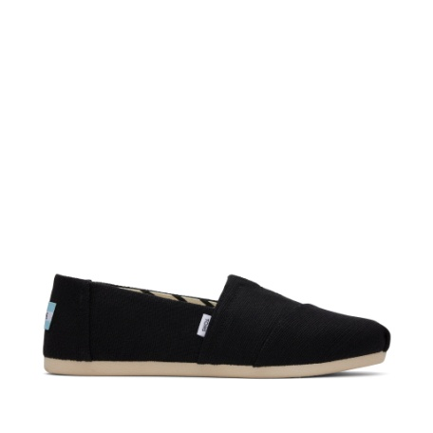
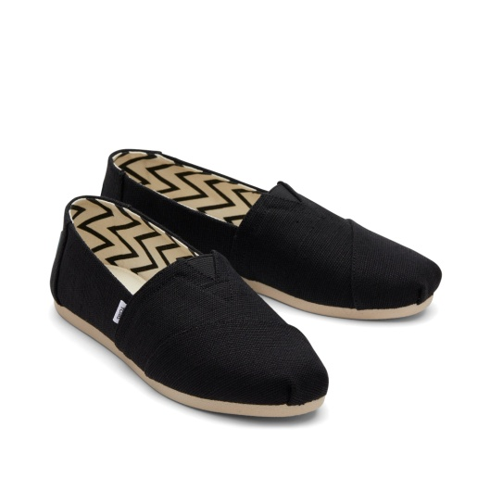
Gender | Style Number | Colour | Colour Description | Size | UPC | HS Code | Upper Material | Available Qty | Order Qty
WOMEN | 10017732 | BLK_WHT | Black Recycled Cotton Canvas | US5/ UK3/ EU35.5 | 195703109614 | 6404199000 | TEXTILE UPPER | 72
WOMEN | 10017732 | BLK_WHT | Black Recycled Cotton Canvas | US5.5/ UK3.5/ EU36 | 195703109621 | 6404199000 | TEXTILE UPPER | 84
WOMEN | 10017732 | BLK_WHT | Black Recycled Cotton Canvas | US6/ UK4/ EU36.5 | 195703109638 | 6404199000 | TEXTILE UPPER | 156
WOMEN | 10017732 | BLK_WHT | Black Recycled Cotton Canvas | US6.5/ UK4.5/ EU37 | 195703109645 | 6404199000 | TEXTILE UPPER | 168
WOMEN | 10017732 | BLK_WHT | Black Recycled Cotton Canvas | US7/ UK5/ EU37.5 | 195703109652 | 6404199000 | TEXTILE UPPER | 228
WOMEN | 10017732 | BLK_WHT | Black Recycled Cotton Canvas | US7.5/ UK5.5/ EU38 | 195703109669 | 6404199000 | TEXTILE UPPER | 252
WOMEN | 10017732 | BLK_WHT | Black Recycled Cotton Canvas | US8/ UK6/ EU38.5 | 195703109676 | 6404199000 | TEXTILE UPPER | 360
WOMEN | 10017732 | BLK_WHT | Black Recycled Cotton Canvas | US8.5/ UK6.5/ EU39 | 195703109683 | 6404199000 | TEXTILE UPPER | 360
WOMEN | 10017732 | BLK_WHT | Black Recycled Cotton Canvas | US9/ UK7/ EU40 | 195703109690 | 6404199000 | TEXTILE UPPER | 252
WOMEN | 10017732 | BLK_WHT | Black Recycled Cotton Canvas | US9.5/ UK7.5/ EU41 | 195703109706 | 6404199000 | TEXTILE UPPER | 252
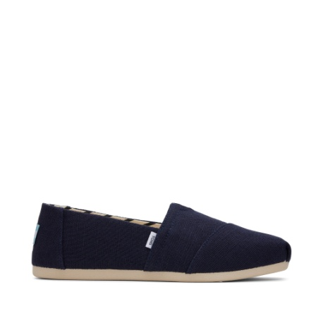
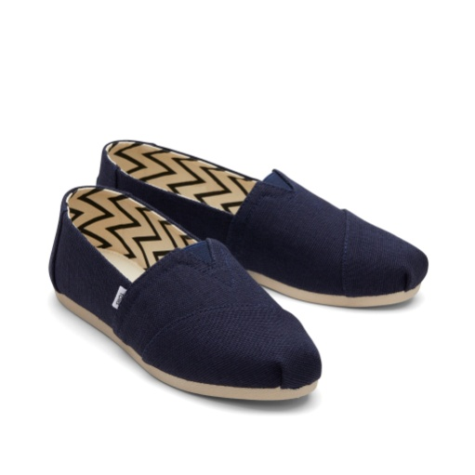
WOMEN | 10017732 | BLK_WHT | Black Recycled Cotton Canvas | US10/ UK8/ EU42 | 195703109584 | 6404199000 | TEXTILE UPPER | 228
WOMEN | 10017732 | BLK_WHT | Black Recycled Cotton Canvas | US11/ UK9/ EU42.5 | 195703109591 | 6404199000 | TEXTILE UPPER | 48
WOMEN | 10017732 | BLK_WHT | Black Recycled Cotton Canvas | US12/ UK10/ EU43.5 | 195703109607 | 6404199000 | TEXTILE UPPER | 24
WOMEN | 10017712 | NAVY | Navy Recycled Cotton Canvas | US5/ UK3/ EU35.5 | 195703108310 | 6404199000 | TEXTILE UPPER | 24
WOMEN | 10017712 | NAVY | Navy Recycled Cotton Canvas | US5.5/ UK3.5/ EU36 | 195703108327 | 6404199000 | TEXTILE UPPER | 12
WOMEN | 10017712 | NAVY | Navy Recycled Cotton Canvas | US6/ UK4/ EU36.5 | 195703108334 | 6404199000 | TEXTILE UPPER | 60
WOMEN | 10017712 | NAVY | Navy Recycled Cotton Canvas | US6.5/ UK4.5/ EU37 | 195703108341 | 6404199000 | TEXTILE UPPER | 180
WOMEN | 10017712 | NAVY | Navy Recycled Cotton Canvas | US7/ UK5/ EU37.5 | 195703108358 | 6404199000 | TEXTILE UPPER | 144
WOMEN | 10017712 | NAVY | Navy Recycled Cotton Canvas | US7.5/ UK5.5/ EU38 | 195703108365 | 6404199000 | TEXTILE UPPER | 48
WOMEN | 10017712 | NAVY | Navy Recycled Cotton Canvas | US8/ UK6/ EU38.5 | 195703108372 | 6404199000 | TEXTILE UPPER | 336
WOMEN | 10017712 | NAVY | Navy Recycled Cotton Canvas | US8.5/ UK6.5/ EU39 | 195703108389 | 6404199000 | TEXTILE UPPER | 228
WOMEN | 10017712 | NAVY | Navy Recycled Cotton Canvas | US9/ UK7/ EU40 | 195703108396 | 6404199000 | TEXTILE UPPER | 228
WOMEN | 10017712 | NAVY | Navy Recycled Cotton Canvas | US9.5/ UK7.5/ EU41 | 195703108402 | 6404199000 | TEXTILE UPPER | 84
WOMEN | 10017712 | NAVY | Navy Recycled Cotton Canvas | US10/ UK8/ EU42 | 195703108280 | 6404199000 | TEXTILE UPPER | 156
WOMEN | 10017712 | NAVY | Navy Recycled Cotton Canvas | US11/ UK9/ EU42.5 | 195703108297 | 6404199000 | TEXTILE UPPER | 72
WOMEN | 10017712 | NAVY | Navy Recycled Cotton Canvas | US12/ UK10/ EU43.5 | 195703108303 | 6404199000 | TEXTILE UPPER | 36
MEN | 10017660 | BLUE | Navy Recycled Cotton Canvas | US7/ UK6/ EU39 | 195703101014 | 6404199000 | TEXTILE UPPER | 12
MEN | 10017660 | BLUE | Navy Recycled Cotton Canvas | US7.5/ UK6.5/ EU40 | 195703101021 | 6404199000 | TEXTILE UPPER | 48
MEN | 10017660 | BLUE | Navy Recycled Cotton Canvas | US8/ UK7/ EU40.5 | 195703101038 | 6404199000 | TEXTILE UPPER | 72
MEN | 10017660 | BLUE | Navy Recycled Cotton Canvas | US8.5/ UK7.5/ EU41 | 195703101045 | 6404199000 | TEXTILE UPPER | 108
MEN | 10017660 | BLUE | Navy Recycled Cotton Canvas | US9/ UK8/ EU42 | 195703101052 | 6404199000 | TEXTILE UPPER | 144
MEN | 10017660 | BLUE | Navy Recycled Cotton Canvas | US9.5/ UK8.5/ EU42.5 | 195703101069 | 6404199000 | TEXTILE UPPER | 144
MEN | 10017660 | BLUE | Navy Recycled Cotton Canvas | US10/ UK9/ EU43 | 195703100949 | 6404199000 | TEXTILE UPPER | 4
MEN | 10017660 | BLUE | Navy Recycled Cotton Canvas | US10.5/ UK9.5/ EU43.5 | 195703100956 | 6404199000 | TEXTILE UPPER | 192
MEN | 10017660 | BLUE | Navy Recycled Cotton Canvas | US11/ UK10/ EU44 | 195703100963 | 6404199000 | TEXTILE UPPER | 192
MEN | 10017660 | BLUE | Navy Recycled Cotton Canvas | US11.5/ UK10.5/ EU44.5 | 195703100970 | 6404199000 | TEXTILE UPPER | 192
MEN | 10017660 | BLUE | Navy Recycled Cotton Canvas | US12/ UK11/ EU45 | 195703100987 | 6404199000 | TEXTILE UPPER | 192
MEN | 10017660 | BLUE | Navy Recycled Cotton Canvas | US13/ UK12/ EU46 | 195703100994 | 6404199000 | TEXTILE UPPER | 192
MEN | 10017660 | BLUE | Navy Recycled Cotton Canvas | US14/ UK13/ EU47.5 | 195703101007 | 6404199000 | TEXTILE UPPER | 80
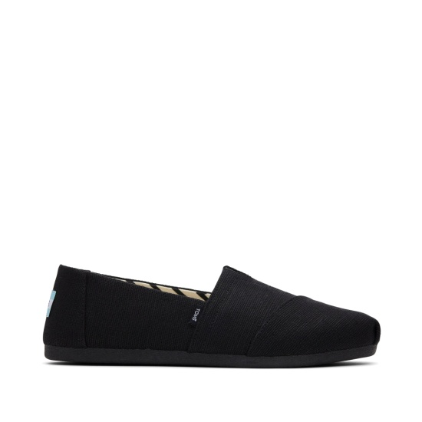
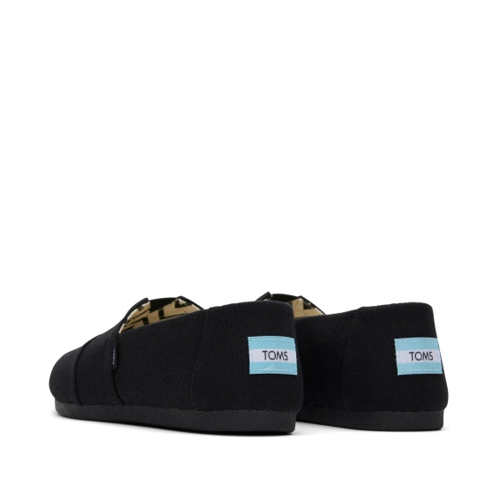
MEN | 10017670 | BLACK | Black/Black Recycled Cotton Canvas | US7/ UK6/ EU39 | 195703102257 | 6404199000 | TEXTILE UPPER | 4
MEN | 10017670 | BLACK | Black/Black Recycled Cotton Canvas | US7.5/ UK6.5/ EU40 | 195703102264 | 6404199000 | TEXTILE UPPER | 27
MEN | 10017670 | BLACK | Black/Black Recycled Cotton Canvas | US8/ UK7/ EU40.5 | 195703102271 | 6404199000 | TEXTILE UPPER | 37
MEN | 10017670 | BLACK | Black/Black Recycled Cotton Canvas | US8.5/ UK7.5/ EU41 | 195703102288 | 6404199000 | TEXTILE UPPER | 84
MEN | 10017670 | BLACK | Black/Black Recycled Cotton Canvas | US9/ UK8/ EU42 | 195703102295 | 6404199000 | TEXTILE UPPER | 108
MEN | 10017670 | BLACK | Black/Black Recycled Cotton Canvas | US9.5/ UK8.5/ EU42.5 | 195703102301 | 6404199000 | TEXTILE UPPER | 204
MEN | 10017670 | BLACK | Black/Black Recycled Cotton Canvas | US10/ UK9/ EU43 | 195703102189 | 6404199000 | TEXTILE UPPER | 204
MEN | 10017670 | BLACK | Black/Black Recycled Cotton Canvas | US10.5/ UK9.5/ EU43.5 | 195703102196 | 6404199000 | TEXTILE UPPER | 168
MEN | 10017670 | BLACK | Black/Black Recycled Cotton Canvas | US11/ UK10/ EU44 | 195703102202 | 6404199000 | TEXTILE UPPER | 168
MEN | 10017670 | BLACK | Black/Black Recycled Cotton Canvas | US11.5/ UK10.5/ EU44.5 | 195703102219 | 6404199000 | TEXTILE UPPER | 108
MEN | 10017670 | BLACK | Black/Black Recycled Cotton Canvas | US12/ UK11/ EU45 | 195703102226 | 6404199000 | TEXTILE UPPER | 108
MEN | 10017670 | BLACK | Black/Black Recycled Cotton Canvas | US13/ UK12/ EU46 | 195703102233 | 6404199000 | TEXTILE UPPER | 204
MEN | 10017670 | BLACK | Black/Black Recycled Cotton Canvas | US14/ UK13/ EU47.5 | 195703102240 | 6404199000 | TEXTILE UPPER | 60
MEN | 10017676 | BLK_WHT | Black Recycled Cotton Canvas | US7/ UK6/ EU39 | 195703102998 | 6404199000 | TEXTILE UPPER | 34
MEN | 10017676 | BLK_WHT | Black Recycled Cotton Canvas | US7.5/ UK6.5/ EU40 | 195703103001 | 6404199000 | TEXTILE UPPER | 18
MEN | 10017676 | BLK_WHT | Black Recycled Cotton Canvas | US8/ UK7/ EU40.5 | 195703103018 | 6404199000 | TEXTILE UPPER | 34
MEN | 10017676 | BLK_WHT | Black Recycled Cotton Canvas | US8.5/ UK7.5/ EU41 | 195703103025 | 6404199000 | TEXTILE UPPER | 24
MEN | 10017676 | BLK_WHT | Black Recycled Cotton Canvas | US9/ UK8/ EU42 | 195703103032 | 6404199000 | TEXTILE UPPER | 98
MEN | 10017676 | BLK_WHT | Black Recycled Cotton Canvas | US9.5/ UK8.5/ EU42.5 | 195703103049 | 6404199000 | TEXTILE UPPER | 77
MEN | 10017676 | BLK_WHT | Black Recycled Cotton Canvas | US10/ UK9/ EU43 | 195703102929 | 6404199000 | TEXTILE UPPER | 164
MEN | 10017676 | BLK_WHT | Black Recycled Cotton Canvas | US10.5/ UK9.5/ EU43.5 | 195703102936 | 6404199000 | TEXTILE UPPER | 113
MEN | 10017676 | BLK_WHT | Black Recycled Cotton Canvas | US11/ UK10/ EU44 | 195703102943 | 6404199000 | TEXTILE UPPER | 135
MEN | 10017676 | BLK_WHT | Black Recycled Cotton Canvas | US11.5/ UK10.5/ EU44.5 | 195703102950 | 6404199000 | TEXTILE UPPER | 65
MEN | 10017676 | BLK_WHT | Black Recycled Cotton Canvas | US12/ UK11/ EU45 | 195703102967 | 6404199000 | TEXTILE UPPER | 59
MEN | 10017676 | BLK_WHT | Black Recycled Cotton Canvas | US13/ UK12/ EU46 | 195703102974 | 6404199000 | TEXTILE UPPER | 105
MEN | 10017676 | BLK_WHT | Black Recycled Cotton Canvas | US14/ UK13/ EU47.5 | 195703102981 | 6404199000 | TEXTILE UPPER | 27
WOMEN | 10020858 | GREY | Drizzle Grey Recycled Cotton Canvas | US5/ UK3/ EU35.5 | 195703489143 | 6404199000 | TEXTILE UPPER | 36
WOMEN | 10020858 | GREY | Drizzle Grey Recycled Cotton Canvas | US5.5/ UK3.5/ EU36 | 195703489150 | 6404199000 | TEXTILE UPPER | 24
WOMEN | 10020858 | GREY | Drizzle Grey Recycled Cotton Canvas | US6/ UK4/ EU36.5 | 195703489167 | 6404199000 | TEXTILE UPPER | 120
WOMEN | 10020858 | GREY | Drizzle Grey Recycled Cotton Canvas | US6.5/ UK4.5/ EU37 | 195703489174 | 6404199000 | TEXTILE UPPER | 60
WOMEN | 10020858 | GREY | Drizzle Grey Recycled Cotton Canvas | US7/ UK5/ EU37.5 | 195703489181 | 6404199000 | TEXTILE UPPER | 144
WOMEN | 10020858 | GREY | Drizzle Grey Recycled Cotton Canvas | US7.5/ UK5.5/ EU38 | 195703489198 | 6404199000 | TEXTILE UPPER | 72
WOMEN | 10020858 | GREY | Drizzle Grey Recycled Cotton Canvas | US8/ UK6/ EU38.5 | 195703489204 | 6404199000 | TEXTILE UPPER | 144
WOMEN | 10020858 | GREY | Drizzle Grey Recycled Cotton Canvas | US8.5/ UK6.5/ EU39 | 195703489211 | 6404199000 | TEXTILE UPPER | 60
WOMEN | 10020858 | GREY | Drizzle Grey Recycled Cotton Canvas | US9/ UK7/ EU40 | 195703489228 | 6404199000 | TEXTILE UPPER | 22
WOMEN | 10020858 | GREY | Drizzle Grey Recycled Cotton Canvas | US9.5/ UK7.5/ EU41 | 195703489235 | 6404199000 | TEXTILE UPPER | 60
WOMEN | 10020858 | GREY | Drizzle Grey Recycled Cotton Canvas | US10/ UK8/ EU42 | 195703489112 | 6404199000 | TEXTILE UPPER | 60
WOMEN | 10020858 | GREY | Drizzle Grey Recycled Cotton Canvas | US11/ UK9/ EU42.5 | 195703489129 | 6404199000 | TEXTILE UPPER | 24
WOMEN | 10020858 | GREY | Drizzle Grey Recycled Cotton Canvas | US12/ UK10/ EU43.5 | 195703489136 | 6404199000 | TEXTILE UPPER | 24

Total pairs |  |  |  |  |  |  |  | 8,951

BROKEN LOTS
TOMS Alpargata Classic
Broken size runs - available as a separate lot



Gender | Style Number | Colour | Colour Description | Size | UPC | HS Code | Upper Material | Available Qty | Order Qty
WOMEN | 10017716 | BLACK | Black/Black Recycled Cotton Canvas | US5/ UK3/ EU35.5 | 195703108839 | 6404199000 | TEXTILE UPPER | 47
WOMEN | 10017716 | BLACK | Black/Black Recycled Cotton Canvas | US5.5/ UK3.5/ EU36 | 195703108846 | 6404199000 | TEXTILE UPPER | 24
WOMEN | 10017716 | BLACK | Black/Black Recycled Cotton Canvas | US6/ UK4/ EU36.5 | 195703108853 | 6404199000 | TEXTILE UPPER | 60
WOMEN | 10017716 | BLACK | Black/Black Recycled Cotton Canvas | US6.5/ UK4.5/ EU37 | 195703108860 | 6404199000 | TEXTILE UPPER | 84
WOMEN | 10017716 | BLACK | Black/Black Recycled Cotton Canvas | US7/ UK5/ EU37.5 | 195703108877 | 6404199000 | TEXTILE UPPER | 209
WOMEN | 10017716 | BLACK | Black/Black Recycled Cotton Canvas | US8/ UK6/ EU38.5 | 195703108891 | 6404199000 | TEXTILE UPPER | 504
WOMEN | 10017716 | BLACK | Black/Black Recycled Cotton Canvas | US8.5/ UK6.5/ EU39 | 195703108907 | 6404199000 | TEXTILE UPPER | 358
WOMEN | 10017716 | BLACK | Black/Black Recycled Cotton Canvas | US9/ UK7/ EU40 | 195703108914 | 6404199000 | TEXTILE UPPER | 210
WOMEN | 10017716 | BLACK | Black/Black Recycled Cotton Canvas | US10/ UK8/ EU42 | 195703108808 | 6404199000 | TEXTILE UPPER | 239
WOMEN | 10017716 | BLACK | Black/Black Recycled Cotton Canvas | US11/ UK9/ EU42.5 | 195703108815 | 6404199000 | TEXTILE UPPER | 1
MEN | 10017664 | GREY | Ash Recycled Cotton Canvas | US7.5/ UK6.5/ EU40 | 195703101526 | 6404199000 | TEXTILE UPPER | 6
MEN | 10017664 | GREY | Ash Recycled Cotton Canvas | US8.5/ UK7.5/ EU41 | 195703101540 | 6404199000 | TEXTILE UPPER | 48
MEN | 10017664 | GREY | Ash Recycled Cotton Canvas | US9.5/ UK8.5/ EU42.5 | 195703101564 | 6404199000 | TEXTILE UPPER | 19
MEN | 10017664 | GREY | Ash Recycled Cotton Canvas | US10/ UK9/ EU43 | 195703101441 | 6404199000 | TEXTILE UPPER | 5
MEN | 10017664 | GREY | Ash Recycled Cotton Canvas | US11/ UK10/ EU44 | 195703101465 | 6404199000 | TEXTILE UPPER | 228
MEN | 10017664 | GREY | Ash Recycled Cotton Canvas | US14/ UK13/ EU47.5 | 195703101502 | 6404199000 | TEXTILE UPPER | 36
WOMEN | 10017749 | GREY | Ash Recycled Cotton Canvas | US6.5/ UK4.5/ EU37 | 195703111853 | 6404199000 | TEXTILE UPPER | 21
WOMEN | 10017749 | GREY | Ash Recycled Cotton Canvas | US8.5/ UK6.5/ EU39 | 195703111891 | 6404199000 | TEXTILE UPPER | 115
WOMEN | 10017749 | GREY | Ash Recycled Cotton Canvas | US9/ UK7/ EU40 | 195703111907 | 6404199000 | TEXTILE UPPER | 112
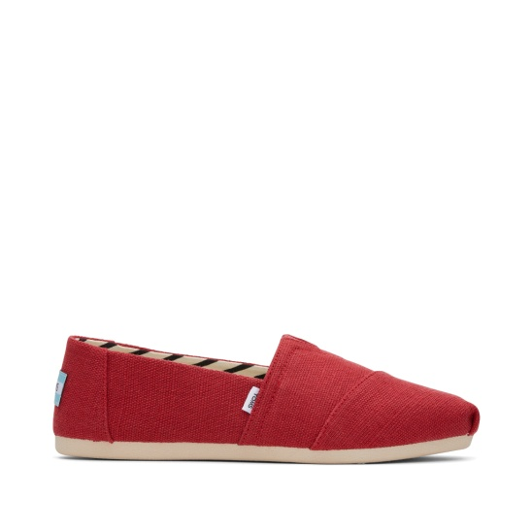
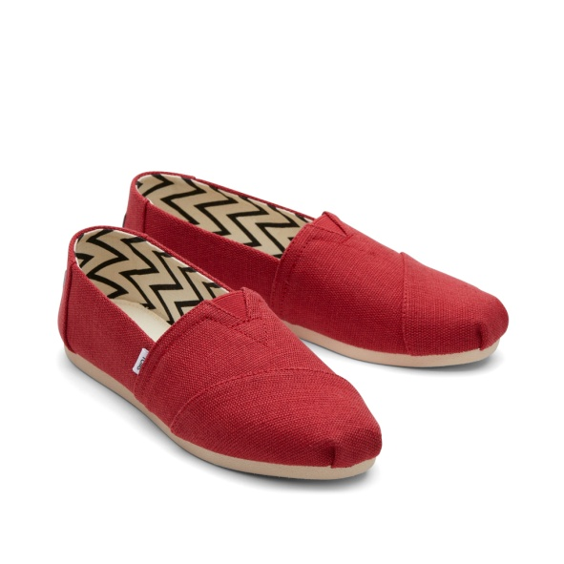
WOMEN | 10017749 | GREY | Ash Recycled Cotton Canvas | US9.5/ UK7.5/ EU41 | 195703111914 | 6404199000 | TEXTILE UPPER | 57
WOMEN | 10017749 | GREY | Ash Recycled Cotton Canvas | US12/ UK10/ EU43.5 | 195703111815 | 6404199000 | TEXTILE UPPER | 29
MEN | 10020857 | GREY | Drizzle Grey Recycled Cotton Canvas | US8/ UK7/ EU40.5 | 195703489075 | 6404199000 | TEXTILE UPPER | 22
MEN | 10020857 | GREY | Drizzle Grey Recycled Cotton Canvas | US9/ UK8/ EU42 | 195703489099 | 6404199000 | TEXTILE UPPER | 5
MEN | 10020857 | GREY | Drizzle Grey Recycled Cotton Canvas | US11/ UK10/ EU44 | 195703489006 | 6404199000 | TEXTILE UPPER | 190
MEN | 10020857 | GREY | Drizzle Grey Recycled Cotton Canvas | US12/ UK11/ EU45 | 195703489020 | 6404199000 | TEXTILE UPPER | 3
MEN | 10017665 | RED | Red Recycled Cotton Canvas | US7/ UK6/ EU39 | 195703101649 | 6404199000 | TEXTILE UPPER | 21
MEN | 10017665 | RED | Red Recycled Cotton Canvas | US7.5/ UK6.5/ EU40 | 195703101656 | 6404199000 | TEXTILE UPPER | 0
MEN | 10017665 | RED | Red Recycled Cotton Canvas | US9/ UK8/ EU42 | 195703101687 | 6404199000 | TEXTILE UPPER | 44
MEN | 10017665 | RED | Red Recycled Cotton Canvas | US10/ UK9/ EU43 | 195703101571 | 6404199000 | TEXTILE UPPER | 5
MEN | 10017665 | RED | Red Recycled Cotton Canvas | US10.5/ UK9.5/ EU43.5 | 195703101588 | 6404199000 | TEXTILE UPPER | 9
MEN | 10017665 | RED | Red Recycled Cotton Canvas | US14/ UK13/ EU47.5 | 195703101632 | 6404199000 | TEXTILE UPPER | 6

Total pairs |  |  |  |  |  |  |  | 2,717

These colourways have between three and nine sizes missing. Listed separately so the main offer stays clean.

